Pond Sizing Estimate Table
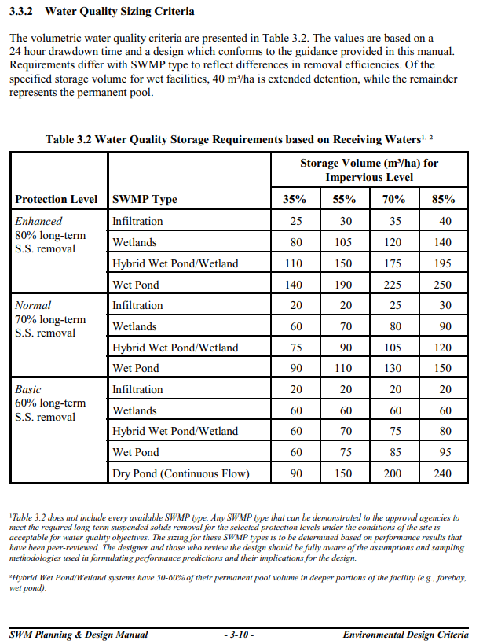
Pond volume estimates for enhanced long term 80% ss removal
 | Storage Volume (m3/ha) for Impervious %
 | 35.00 | 55.00 | 70.00 | 85.00
Infiltration Trench | 25 | 30 | 35 | 40
Wetlands | 80 | 105 | 120 | 140
Hybrid Wetpond / Wetland | 110 | 150 | 175 | 195
Wet pond | 140 | 190 | 225 | 250

HelperSheet
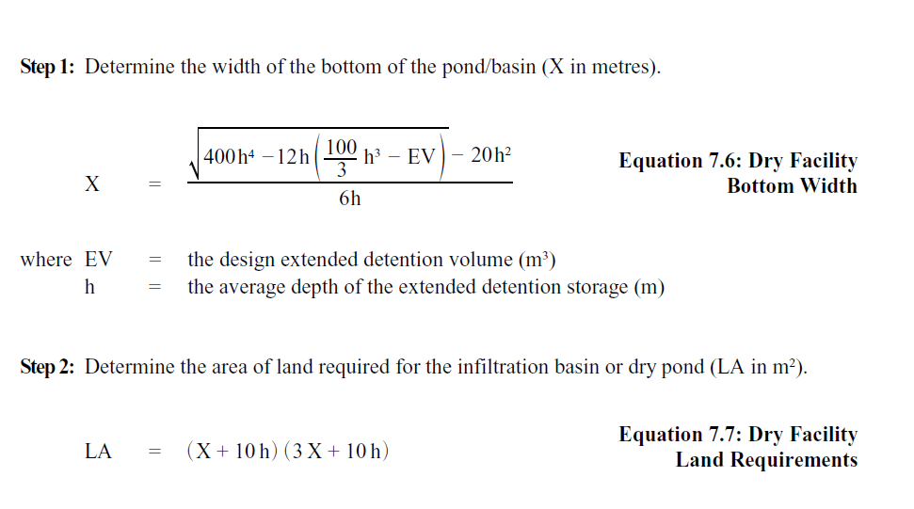
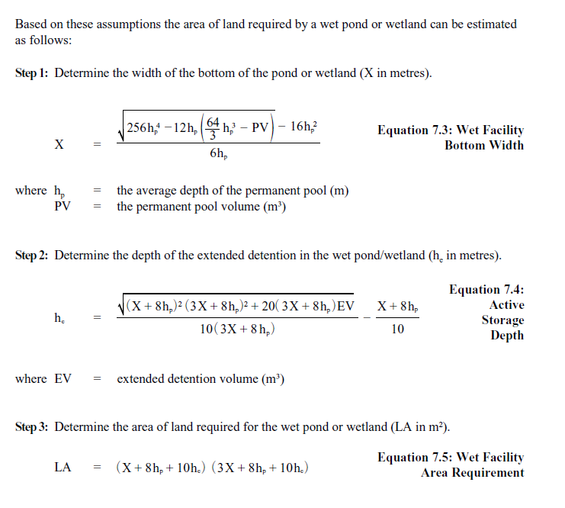
 | Pond Volume Lookup Interpolation
Type | Vol x1 | Vol x2 | Vol y1 | Vol y2 | deltax | deltay | Interpolated Vol | height perm pool | perm vol | ext det vol | X | he | LA
Infiltration Chamber | 35 | 55 | 25 | 30 | 0.25 | 5 | 36.25
Wetlands | 35 | 55 | 80 | 105 | 0.25 | 25 | 41.25 | 2 | 413 | 124 | 5.5742710776 | 0.23009256159 | 616.60291178
Hybrid | 35 | 55 | 110 | 150 | 0.25 | 40 | 45 | 2 | 450 | 135 | 6 | 0.23469899494 | 658.16387939
Wetpond | 35 | 55 | 140 | 190 | 0.25 | 50 | 47.5 | 2 | 475 | 143 | 6.2740233383 | 0.23755805081 | 685.51833193

